Q8 (analysis)
Question 8 (15 points - anaysis question)
Database: Airbnb-complete-July 22, 2021.db
 |  |  |  | Grading criteria and scale
Instructions: |  |  |  | Points | Description
Use the data available in the Airbnb dataset to assess which of the Airbnb rental markets covered by this dataset is "the most affordable". The first step to doing so is to decide how to convert the broad question "which of these Airbnb rental markets is most affordable" into a more precise, specific question or set of questions and to define an associated set of quantitative metrics you can calculate for each metro area to evaluate how affordable each of the rental markets is. The simplest and most obvious way to calculate affordability is to just find the average rental price for a listing in each of the markets and declare the market with the lowest average rental price to be "the most affordable". That is, however, probably an overly simplistic way to evaluate affordability across the markets. You will receive only 1/2 credit for this question if you just do that basic analysis (correctly). A more sophisticated and nuanced analysis will recognize that individual rental listings are not commodities. The value of a rental, and its associated rental rate, can vary greatly depending on a listing's location and neighborhood (within a metro area), size (number of beds, bedrooms, bathrooms, people it can accommodate, etc.), time of year or day of the week (e.g. weekday vs. weekend), etc. To get full credit for the question, then, your analysis you will need to consider one or more of these factors (or any additional ones that you deem important) in the process of selecting the most affordable of these markets, presenting your findings, and supporting those findings with evidence from the data. In the space below, explain the metric(s) and/or analysis you are using to evaluate rental affordability in each market, along with a brief explanation of how to interpret the metrics. For example, "[higher or lower] values imply a [more or less] affordable rental market". You don't need to go into great detail here. A clear, precise, and brief explanation is |  |  |  | 15 | Analysis clearly identifies the core question posed, provides a rigorous and compelling answer to that question, and does so in a way that is straightforward for a non-statistician and non-programmer to follow.
 |  |  |  | 10-14 | Analysis is mostly on the mark but either misses something important, does not interpret data and results correctly, and/or presents results in a way that is difficult for a non-statistician/programmer to follow.
 |  |  |  | 5-9 | Analysis misses a key point and/or the analysis process, formulas, or conclusions are incorrect in a material way. Poor presentation of results can also bring a score down to this range.
 |  |  |  | 0-4 | Analysis is substantially incorrect, or not attempted

Summarize your interpretation of your metrics using clear, precise, and specific English language.
metrics are designed to provide a comparative analysis of the affordability of vacation accommodations in different cities during peak travel seasons. This analysis is pertinent to families or small groups looking to rent entire homes or apartments, providing them with a quick reference for budgeting their stay. It particularly highlights which cities may offer more economical choices for their needs. The data suggests that for a family or group of approximately two individuals, Austin might be the most cost-effective option during the Summer Break, while Asheville could be the most budget-friendly during the Winter Break, as inferred from the context provided. Santa Cruz, on the other hand, is likely to be the most expensive regardless of the season, based on the minimum prices presented.

In the space below, provide any additional supporting evidence, charts, graphs, tables, etc. to support your conclusions. Insert rows as needed; use as much space as you need here

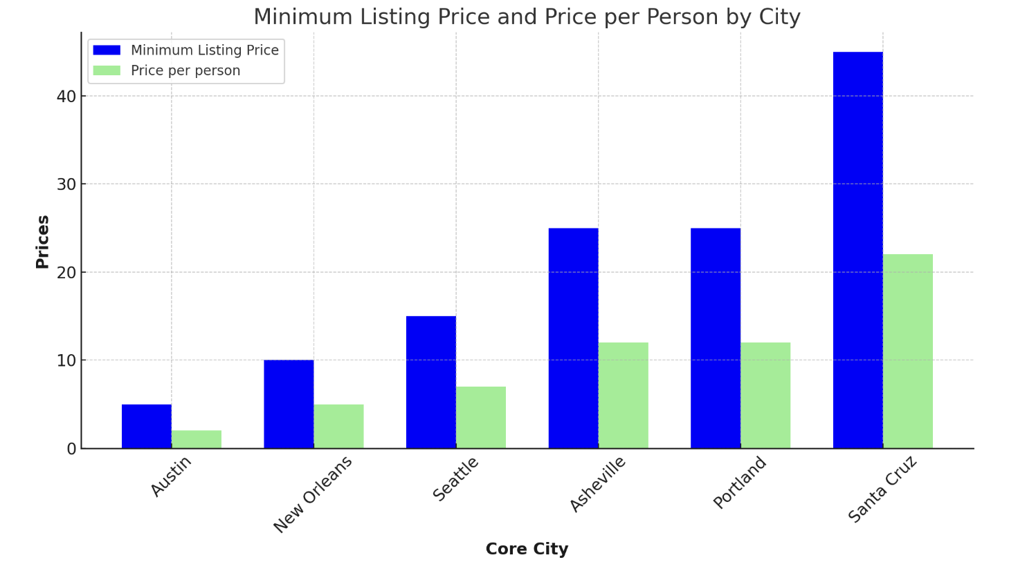
 | CoreCity | MinimumListingPrice | Priceperperson
 | Austin | 5 | 2
 | New Orleans | 10 | 5
 | Seattle | 15 | 7
 | Asheville | 25 | 12
 | Portland | 25 | 12
 | Santa Cruz | 45 | 22

In the space below, show any SQL scripts or queries that you used to retrieve and analyse the data used.
SELECT MetroArea.CoreCity, Listing.Beds, Listing.Bedrooms, Listing.Accommodates, Calendar.Date, min(Listing.Price) as MinimumListingPrice, Listing.Price, Listing.Price/Listing.Accommodates as Priceperperson, Listing.RoomType, Listing.PropertyType, CASE WHEN "Calendar"."Date" BETWEEN "2021-05-31" AND "2021-07-31" THEN "Summer Break" WHEN "Calendar"."Date" BETWEEN "2021-11-31" AND "2022-01-10" THEN "Winter Break" END AS "Vacation Time" FROM Listing INNER JOIN Calendar ON Listing.ListingID = Calendar.ListingID INNER JOIN MetroArea ON MetroArea.MetroID = Listing.MetroID WHERE Listing.Accommodates = 2 AND "Vacation Time" IS NOT NULL AND Listing.PropertyType != "Campsite" GROUP BY MetroArea.CoreCity, 'Vacation Time' ORDER BY Listing.Price ASC;

Q12 Your Answer Here!
Question 12 (20 points)
Database: us_demographics_v1_2

Instructions: | Use this worksheet to present your answer to question 12 (instructions on previous worksheet). You are welcome to (re) format the page however you see fit. The headings below are just to remind you what your answer needs to include.

1: Precisely and clearly state the question you will answer
How does population density in U.S. states correlate with the median annual household income while considering the influence of urbanization and geographic region, and what insights can be drawn from these factors?
2: Provide your answer to that question, based on your analysis
High-Income States: Washington, D.C., California, and Florida are the top three states with the highest average incomes. This aligns with the fact that urban areas, particularly in major cities like Washington, D.C., Los Angeles, and San Francisco, often have higher average incomes due to employment opportunities and higher living costs. Urbanization Effect: States with higher population density, such as Washington, D.C., California, and Florida, tend to have higher average incomes. This indicates that urbanization and economic opportunities in cities contribute to higher income levels. Regional Variations: While some states with lower population densities, like Vermont and North Dakota, have relatively high average incomes, this may be attributed to regional factors, including a smaller population and a different economic landscape.
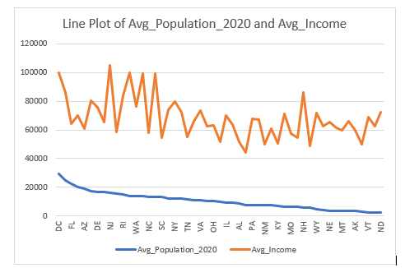
3: Provide evidence to support your analysis and conclusion (query results, charts, tables, etc. - whatever you think is helpful to explain and support your results)
 | Query Results:
 | State | Avg_Population_2020 | Avg_Income
 | DC | 29462.826087 | 99839.26087
 | CA | 24556.856608 | 85973.019327
 | FL | 22676.129747 | 64361.774262
 | NV | 20464.059603 | 69907.854305
 | AZ | 18783.115789 | 61143.318421
 | HI | 17148.761905 | 80084.654762
 | DE | 16658.932203 | 75927.932203
 | TX | 16522.886234 | 65215.538111
 | NJ | 16446.147163 | 104953.37057
 | GA | 15611.733918 | 58571.347953
 | RI | 15306.859155 | 83772.774648
4: Include the SQL query(ies) used to arrive at your answer | MD | 14134.22069 | 99688.434483
SELECT c.state AS State, AVG(h.census_population_2020) AS Avg_Population_2020, AVG(h.median_household_income) AS Avg_Income FROM location AS c JOIN census_demographics_by_zip AS h ON c.zip = h.zip WHERE h.median_household_income > 0 GROUP BY c.state ORDER BY Avg_Population_2020 DESC; | WA | 13992.258652 | 76240.349727
 | MA | 13684.136719 | 99054.652344
 | NC | 13566.413838 | 58104.194517
 | CT | 13311.881481 | 98975.848148
 | SC | 13165.562176 | 54477.857513
 | CO | 12382.221983 | 73940.142241
 | NY | 12285.072083 | 79747.036652
 | UT | 12274.093985 | 72358.575188
 | TN | 11555.11745 | 55362.302013
 | OR | 10830.515385 | 66148.012821
 | VA | 10801.98739 | 73740.372005
 | MI | 10481.142857 | 62639.876955
 | OH | 10235.035652 | 63285.970435
 | LA | 9859.731343 | 51635.78678
 | IL | 9566.108371 | 70036.261584
 | IN | 9222.28513 | 63462.069577
 | AL | 8583.106529 | 51978.024055
 | MS | 7822.989276 | 44526.697051
 | PA | 7742.809809 | 67938.727273
 | WI | 7724.291339 | 67296.076115
 | NM | 7622.558394 | 49852.306569
 | ID | 7385.189516 | 60662.03629
 | KY | 6740.10241 | 50490.412651
 | MN | 6609.401392 | 71053.331787
 | MO | 6405.777662 | 57650.615866
 | OK | 6291.020701 | 54334.901274
 | NH | 5778.533613 | 86041.89916
 | AR | 5593.521495 | 48868.439252
 | WY | 4521.984 | 71726.36
 | KS | 4425.842663 | 62523.649017
 | NE | 3537.466546 | 65548.423146
 | ME | 3440.068528 | 61441.256345
 | MT | 3392.81388 | 59457.053628
 | IA | 3367.777306 | 66198.449629
 | AK | 3352.460829 | 59834.926267
 | WV | 3096.180036 | 49869.204991
 | VT | 2622.256198 | 68829.657025
 | SD | 2600.130564 | 62523.166172
 | ND | 2201.231429 | 72076.542857

